NPV_Report
 |  |  |  | Crystal Ball Report - Forecasts
 |  |  |  | Simulation started on 4/30/2018 at 9:46 PM
 |  |  |  | Simulation stopped on 4/30/2018 at 9:46 PM

 | Run preferences:
 |  | Number of trials run | 1,000
 |  | Monte Carlo
 |  | Random seed
 |  | Precision control on
 |  | Confidence level | 95.00%

 | Run statistics:
 |  | Total running time (sec) | 5.35
 |  | Trials/second (average) | 187
 |  | Random numbers per sec | 3,739

 | Crystal Ball data:
 |  | Assumptions | 20
 |  | Correlations | 0
 |  | Correlation matrices | 0
 |  | Decision variables | 0
 |  | Forecasts | 1

 |  |  |  | Forecasts

Worksheet: [Alan''s Scratchpad.xlsx]NPV

Forecast: NPV 1 |  |  |  |  | Cell: C22

 | Summary:
 |  | Entire range is from $(7,051,096.21) to $3,424,533.75
 |  | Base case is $(1,907,394.08)
 |  | After 1,000 trials, the std. error of the mean is $52,536.02

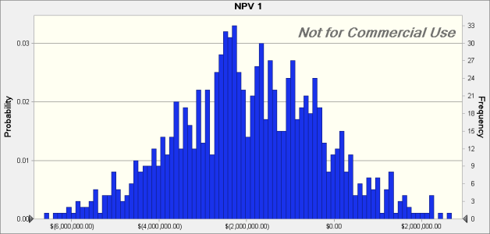

 | Statistics: |  | Forecast values
 |  | Trials | 1,000
 |  | Base Case | $(1,907,394.08)
 |  | Mean | $(1,966,907.68)
 |  | Median | $(2,010,816.87)
 |  | Mode | ---
 |  | Standard Deviation | $1,661,334.82
 |  | Variance | $2,760,033,391,603.24
 |  | Skewness | -0.0340
 |  | Kurtosis | 2.92
 |  | Coeff. of Variation | -0.8446
 |  | Minimum | $(7,051,096.21)
 |  | Maximum | $3,424,533.75
 |  | Range Width | $10,475,629.96
 |  | Mean Std. Error | $52,536.02

Forecast: NPV 1 (cont'd) |  |  |  |  | Cell: C22

 | Percentiles: |  | Forecast values
 |  | 0% | $(7,051,096.21)
 |  | 10% | $(4,140,403.49)
 |  | 20% | $(3,375,306.98)
 |  | 30% | $(2,752,813.23)
 |  | 40% | $(2,381,997.44)
 |  | 50% | $(2,011,594.77)
 |  | 60% | $(1,553,228.48)
 |  | 70% | $(1,032,426.03)
 |  | 80% | $(542,135.04)
 |  | 90% | $142,964.81
 |  | 100% | $3,424,533.75

End of Forecasts

Early Liquidation_NPV
 |  |  |  | Crystal Ball Report - Forecasts
 |  |  |  | Simulation started on 4/30/2018 at 9:51 PM
 |  |  |  | Simulation stopped on 4/30/2018 at 9:51 PM

 | Run preferences:
 |  | Number of trials run | 1,000
 |  | Monte Carlo
 |  | Random seed
 |  | Precision control on
 |  | Confidence level | 95.00%

 | Run statistics:
 |  | Total running time (sec) | 4.37
 |  | Trials/second (average) | 229
 |  | Random numbers per sec | 4,582

 | Crystal Ball data:
 |  | Assumptions | 20
 |  | Correlations | 0
 |  | Correlation matrices | 0
 |  | Decision variables | 0
 |  | Forecasts | 2

 |  |  |  | Forecasts

Worksheet: [Alan''s Scratchpad.xlsx]Early Liquidation

Forecast: NPV 2 |  |  |  |  | Cell: B16

 | Summary:
 |  | Entire range is from $(6,539,569.88) to $3,506,574.30
 |  | Base case is $(1,907,394.08)
 |  | After 1,000 trials, the std. error of the mean is $52,937.46

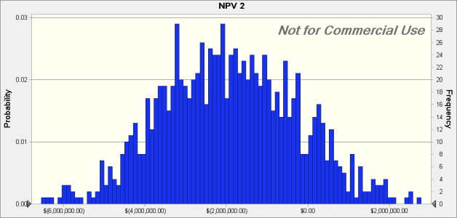

 | Statistics: |  | Forecast values
 |  | Trials | 1,000
 |  | Base Case | $(1,907,394.08)
 |  | Mean | $(1,912,006.19)
 |  | Median | $(1,985,608.06)
 |  | Mode | ---
 |  | Standard Deviation | $1,674,029.52
 |  | Variance | $2,802,374,824,166.31
 |  | Skewness | 0.1411
 |  | Kurtosis | 2.84
 |  | Coeff. of Variation | -0.8755
 |  | Minimum | $(6,539,569.88)
 |  | Maximum | $3,506,574.30
 |  | Range Width | $10,046,144.18
 |  | Mean Std. Error | $52,937.46

Forecast: NPV 2 (cont'd) |  |  |  |  | Cell: B16

 | Percentiles: |  | Forecast values
 |  | 0% | $(6,539,569.88)
 |  | 10% | $(3,996,934.66)
 |  | 20% | $(3,361,474.53)
 |  | 30% | $(2,873,723.52)
 |  | 40% | $(2,383,294.46)
 |  | 50% | $(1,987,163.84)
 |  | 60% | $(1,514,712.78)
 |  | 70% | $(1,029,678.89)
 |  | 80% | $(476,141.62)
 |  | 90% | $293,875.05
 |  | 100% | $3,506,574.30

Worksheet: [Alan''s Scratchpad.xlsx]NPV

Forecast: NPV 1 |  |  |  |  | Cell: C22

 | Summary:
 |  | Entire range is from $(6,539,569.88) to $3,506,574.30
 |  | Base case is $(1,907,394.08)
 |  | After 1,000 trials, the std. error of the mean is $52,937.46

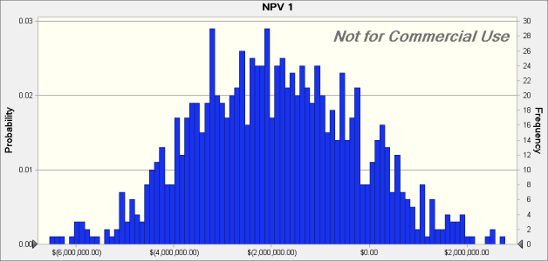

 | Statistics: |  | Forecast values
 |  | Trials | 1,000
 |  | Base Case | $(1,907,394.08)
 |  | Mean | $(1,912,006.19)
 |  | Median | $(1,985,608.06)
 |  | Mode | ---
 |  | Standard Deviation | $1,674,029.52
 |  | Variance | $2,802,374,824,166.31
 |  | Skewness | 0.1411
 |  | Kurtosis | 2.84
 |  | Coeff. of Variation | -0.8755
 |  | Minimum | $(6,539,569.88)
 |  | Maximum | $3,506,574.30
 |  | Range Width | $10,046,144.18
 |  | Mean Std. Error | $52,937.46

Forecast: NPV 1 (cont'd) |  |  |  |  | Cell: C22

 | Percentiles: |  | Forecast values
 |  | 0% | $(6,539,569.88)
 |  | 10% | $(3,996,934.66)
 |  | 20% | $(3,361,474.53)
 |  | 30% | $(2,873,723.52)
 |  | 40% | $(2,383,294.46)
 |  | 50% | $(1,987,163.84)
 |  | 60% | $(1,514,712.78)
 |  | 70% | $(1,029,678.89)
 |  | 80% | $(476,141.62)
 |  | 90% | $293,875.05
 |  | 100% | $3,506,574.30

End of Forecasts

With Loan_NPV
 |  |  |  | Crystal Ball Report - Forecasts
 |  |  |  | Simulation started on 4/30/2018 at 9:53 PM
 |  |  |  | Simulation stopped on 4/30/2018 at 9:53 PM

 | Run preferences:
 |  | Number of trials run | 1,000
 |  | Monte Carlo
 |  | Random seed
 |  | Precision control on
 |  | Confidence level | 95.00%

 | Run statistics:
 |  | Total running time (sec) | 4.56
 |  | Trials/second (average) | 219
 |  | Random numbers per sec | 4,390

 | Crystal Ball data:
 |  | Assumptions | 20
 |  | Correlations | 0
 |  | Correlation matrices | 0
 |  | Decision variables | 0
 |  | Forecasts | 3

 |  |  |  | Forecasts

Worksheet: [Alan''s Scratchpad.xlsx]Early Liquidation

Forecast: NPV 2 |  |  |  |  | Cell: B16

 | Summary:
 |  | Entire range is from $(7,005,342.09) to $3,004,926.54
 |  | Base case is $(1,907,394.08)
 |  | After 1,000 trials, the std. error of the mean is $52,659.50

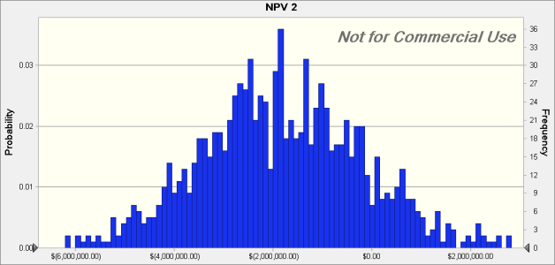

 | Statistics: |  | Forecast values
 |  | Trials | 1,000
 |  | Base Case | $(1,907,394.08)
 |  | Mean | $(1,844,896.44)
 |  | Median | $(1,886,985.55)
 |  | Mode | ---
 |  | Standard Deviation | $1,665,239.59
 |  | Variance | $2,773,022,897,191.44
 |  | Skewness | 0.0457
 |  | Kurtosis | 3.04
 |  | Coeff. of Variation | -0.9026
 |  | Minimum | $(7,005,342.09)
 |  | Maximum | $3,004,926.54
 |  | Range Width | $10,010,268.63
 |  | Mean Std. Error | $52,659.50

Forecast: NPV 2 (cont'd) |  |  |  |  | Cell: B16

 | Percentiles: |  | Forecast values
 |  | 0% | $(7,005,342.09)
 |  | 10% | $(3,983,293.88)
 |  | 20% | $(3,203,586.66)
 |  | 30% | $(2,711,124.03)
 |  | 40% | $(2,336,876.77)
 |  | 50% | $(1,887,372.73)
 |  | 60% | $(1,413,002.61)
 |  | 70% | $(990,167.58)
 |  | 80% | $(458,108.78)
 |  | 90% | $297,419.31
 |  | 100% | $3,004,926.54

Worksheet: [Alan''s Scratchpad.xlsx]NPV

Forecast: NPV 1 |  |  |  |  | Cell: C22

 | Summary:
 |  | Entire range is from $(7,005,342.09) to $3,004,926.54
 |  | Base case is $(1,907,394.08)
 |  | After 1,000 trials, the std. error of the mean is $52,661.53



 | Statistics: |  | Forecast values
 |  | Trials | 1,000
 |  | Base Case | $(1,907,394.08)
 |  | Mean | $(1,844,918.94)
 |  | Median | $(1,886,985.55)
 |  | Mode | ---
 |  | Standard Deviation | $1,665,303.85
 |  | Variance | $2,773,236,901,129.78
 |  | Skewness | 0.0454
 |  | Kurtosis | 3.04
 |  | Coeff. of Variation | -0.9026
 |  | Minimum | $(7,005,342.09)
 |  | Maximum | $3,004,926.54
 |  | Range Width | $10,010,268.63
 |  | Mean Std. Error | $52,661.53

Forecast: NPV 1 (cont'd) |  |  |  |  | Cell: C22

 | Percentiles: |  | Forecast values
 |  | 0% | $(7,005,342.09)
 |  | 10% | $(3,983,293.88)
 |  | 20% | $(3,203,586.66)
 |  | 30% | $(2,711,124.03)
 |  | 40% | $(2,336,876.77)
 |  | 50% | $(1,887,372.73)
 |  | 60% | $(1,413,002.61)
 |  | 70% | $(990,167.58)
 |  | 80% | $(458,108.78)
 |  | 90% | $297,419.31
 |  | 100% | $3,004,926.54

Worksheet: [Alan''s Scratchpad.xlsx]With Loan

Forecast: NPV 3 |  |  |  |  | Cell: B26

 | Summary:
 |  | Entire range is from $(9,132,923.21) to $3,697,106.52
 |  | Base case is $(1,215,214.10)
 |  | After 1,000 trials, the std. error of the mean is $55,807.74

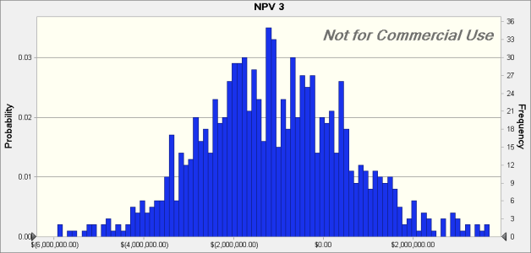

 | Statistics: |  | Forecast values
 |  | Trials | 1,000
 |  | Base Case | $(1,215,214.10)
 |  | Mean | $(1,188,213.36)
 |  | Median | $(1,194,805.57)
 |  | Mode | ---
 |  | Standard Deviation | $1,764,795.64
 |  | Variance | $3,114,503,657,041.86
 |  | Skewness | -0.3780
 |  | Kurtosis | 4.31
 |  | Coeff. of Variation | -1.49
 |  | Minimum | $(9,132,923.21)
 |  | Maximum | $3,697,106.52
 |  | Range Width | $12,830,029.73
 |  | Mean Std. Error | $55,807.74

Forecast: NPV 3 (cont'd) |  |  |  |  | Cell: B26

 | Percentiles: |  | Forecast values
 |  | 0% | $(9,132,923.21)
 |  | 10% | $(3,291,113.90)
 |  | 20% | $(2,511,406.67)
 |  | 30% | $(2,018,944.05)
 |  | 40% | $(1,644,696.79)
 |  | 50% | $(1,195,192.75)
 |  | 60% | $(720,822.63)
 |  | 70% | $(297,987.60)
 |  | 80% | $234,071.20
 |  | 90% | $989,599.29
 |  | 100% | $3,697,106.52

End of Forecasts

